Filter_Reasons
Filter_Reason_Code | Description
1 | No message date/time for HL7. In formats other than HL7, the field converting to message date/time would trigger the filter. (MSH.7 is present)
2 | Message must be an 'ADT' message (Admit/Discharge/Transfer). (MSH.9.1 == 'ADT')
3 | No facility info for HL7. In formats other than HL7, the field converting to facility info would trigger the filter. (MSH.4.1 OR MSH.4.2 is present)

Flow chart displaying the flags of a Raw message as it undergoes processing in the Archive tables

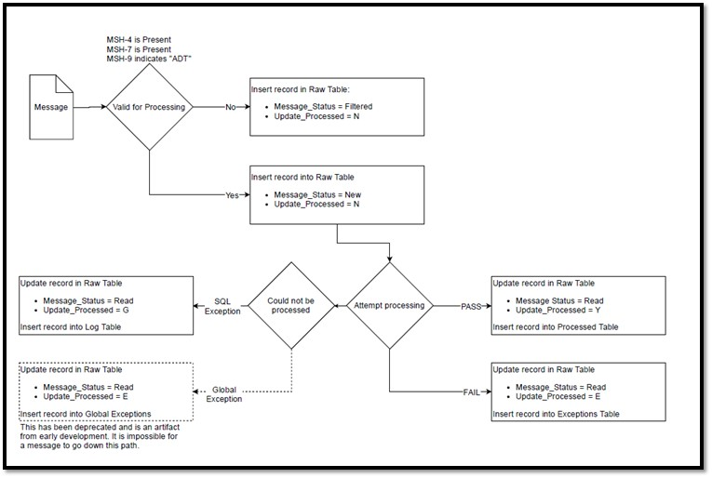

Exceptions_Reason
Exceptions_Reason_Code | Description
01 | Message did not include valid C_Unique_Patient_ID
02 | Message did not include valid C_Visit_Date_Time
03 | Message did not include C_Facility_ID
04 | C_Facility_ID was not found on the Operational Crosswalk
05 | C_Facility_ID was not an active facility at time of message processing
06 | Site_ID is null
07 | <Site> Raw tablename Parameter is Null
08 | Message ArrivedDatetime is null or Invalid
09 | Create_Raw_Date_Time is null or Invalid
10 | Invalid Message ID
11 | C_Visit_Date_Time and/or C_Visit_Date is set in the future. This can occur in two separate ways: Arrived_Date_Time occurs before C_Visit_Date_Time: NSSP currently allow a 12-hour grace period for messages to arrive on the BioSense Platform. For example, if the current time is 1pm and a message comes in with a C_Visit_Date_Time of 4pm, this message will be successfully processed. Message_Date occurs before C_Visit_Date (future enhancement): Messages will only be successfully processed when C_Visit_Date occurs before Message_Date. E.g., if message date is on 6/26 but the visit actually occurred on 6/27, then this message will not be processed.
12 | Invalid <Site> Raw tablename Parameter to Stored Procedure
13 | Missing MSH4_Sending_Facility (Legacy only)
98 | Site confirmed facility exclusion (Legacy only)
99 | PHIN MS Site confirmed facility exclusion (Legacy only)

Processing Status = Fail
Processing Status = Pass
N
Y
Y
N
Y
Include Error Code to indicate why message was placed into exceptions table

HL7 Reference Tables
 |  | HL7 Reference Tables

Usage
R | Required, must always be populated
RE | Required, but may be empty. If the Sender has data, it must be sent. The receiver must be capable of processing data if sent and must not raise an error or warning if data are not sent.
C | Conditionally Required
CE | Conditionally Required but may be empty.
X | Not supported
O | Optional

Cardinality
[0.. 1] | Component may be omitted and can have, at most, one occurrence
[1.. 1] | Component must have exactly one occurrence
[0.. *] | Component may be omitted or repeat an unlimited number of times
[1.. *] | Component must appear at least once and may repeat unlimited number of times

Data Types
CE | Coded Element
CWE | Coded with Exceptions
CNE | Code with no Exceptions
CX | Extended Composite ID with check digit
DTM | Date/Time
EI | Entity Identifier
FN | Family Name
HD | Hierarchic Designator
ID | Coded Value for HL7-defined tables
IS | Coded Value for user-defined tables
MSG | MessageType
NM | Numeric
PL | Person Location
PT | Processing Type
SI | Sequence Identifier
ST | String Data
TX | Text Data
TX | Timestamp
VID | Version Identifier
XAD | Extended Address
XCN | Extended Composite ID Number and Name for Persons
XPN | Extended Person Name

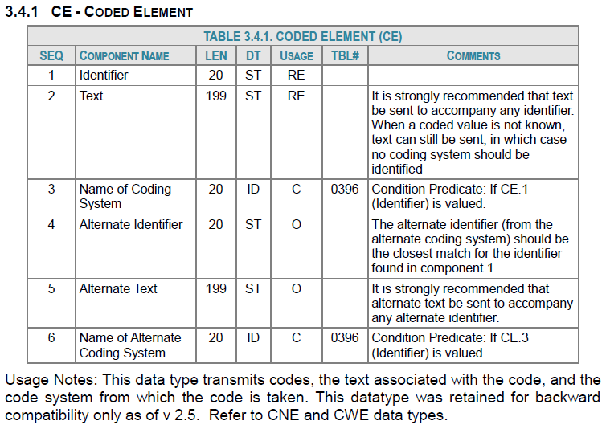

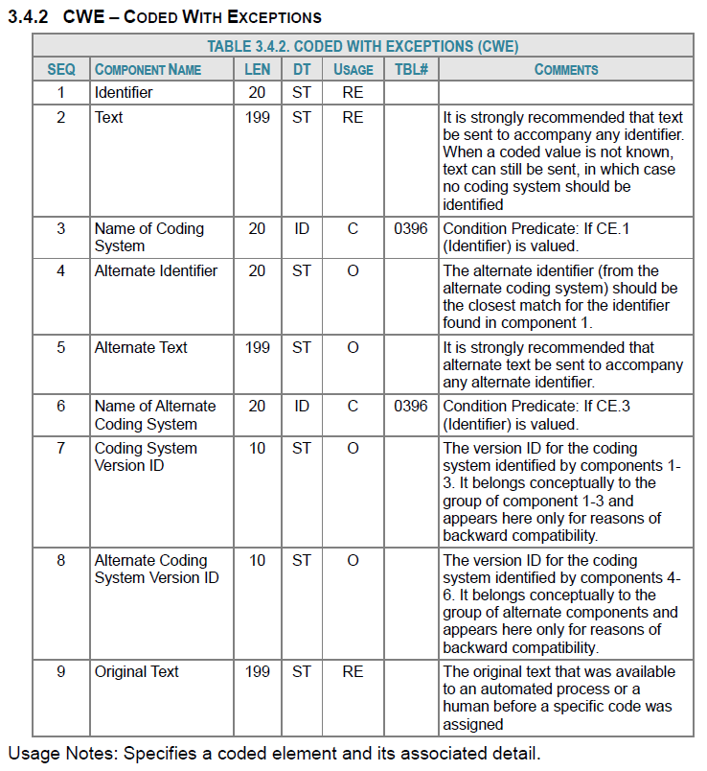

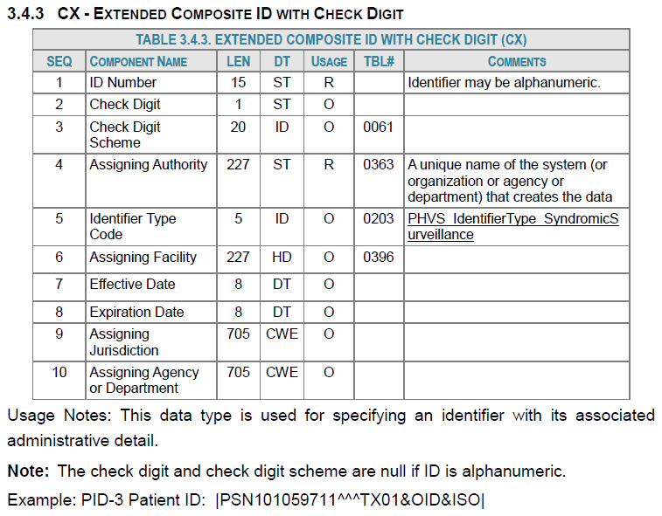

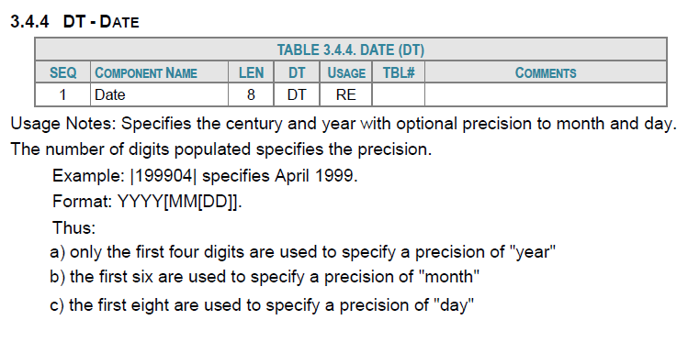

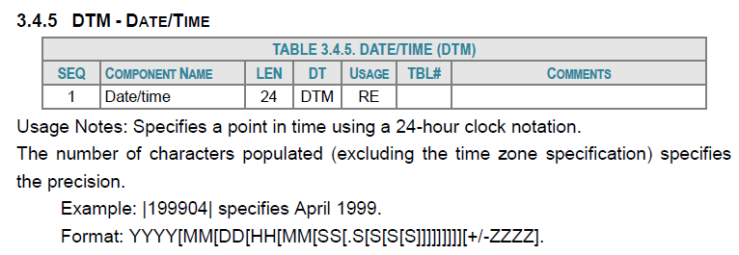

The following table describes the Segments in an Admit/Visit Notification message.

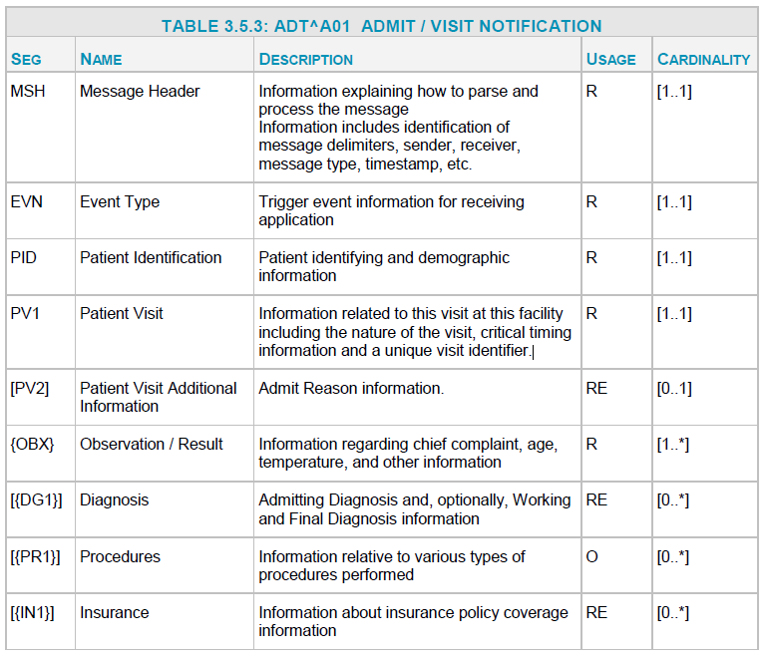

Production Indexes
*Sorted Column Name | **Included Column Name | Processed | Raw | Exceptions | *Sorted Columns are columns in the index that are sorted by their value. This allows the database to stopping searching the index after it reaches the supplied value.
Admit_Date_Time | Arrived_Date_Time, C_BioSense_ID, C_Biosense_Facility_ID | Yes | No | No
Arrived_Date | Message_ID, C_Facility_ID | No | No | Yes
Arrived_Date | Admit_Date_Time, C_Unique_Patient_ID, C_Biosense_Facility_ID | Yes | No | No
Arrived_Date | Patient_Class_Code, C_Patient_Class, C_Biosense_Facility_ID | Yes | No | No
Arrived_Date | Message_ID, File_Name, Arrived_Date_Time | No | Yes | No
C_Biosense_Facility_ID, Arrived_Date | C_Chief_Complaint, C_BioSense_ID | Yes | No | No
C_Biosense_Facility_ID, Arrived_Date_Time | Feed_Name | Yes | No | No
C_Biosense_Facility_ID, Race_Code, Arrived_Date | C_BioSense_ID, Race_Description | Yes | No | No | *Included Columns are columns in the index that are NOT sorted by their value. This allows the database to return the values of these columns (along with the values in the sorted columns) when they are not needed by the sorting criteria.
C_Facility_ID, Arrived_Date | Message_ID | No | No | Yes
C_Visit_Date | Message_ID, C_BioSense_ID, C_Biosense_Facility_ID | No | No | Yes
C_Visit_Date | C_Patient_Class, C_Unique_Patient_ID | Yes | No | No
C_Visit_Date_Time | Arrived_Date_Time | No | No | Yes
C_Visit_Date_Time | Feed_Name, C_Biosense_Facility_ID | Yes | No | No
Feed_Name, Arrived_Date_Time | Arrived_Date | No | Yes | No
Message_Date | Feed_Name, Trigger_Event, Patient_Class_Code, Sending_Facility_ID | Yes | No | No

Indexes are used to expedite database searches. Normally, a table that contains no indices must search through the entire table in a linear fashion. When an index is added, the query will instead only search through a subset of the data which increases efficiency. We have added indexes to select columns because we feel that the consumers of our data will be using these columns to analyze.
For example, imagine that you needed all the license plate numbers for Toyotas in a lot. A search with no indexes would be the equivalent of checking if each car is a Toyota and recording the license plate number each time it is. Instead if there was an index for manufacturer, only the Toyotas would be shown to you in the lot which decreases your query time significantly.

Staging Indexes
Indexes are used to expedite database searches. Normally, a table that contains no indices must search through the entire table in a linear fashion. When an index is added, the query will instead only search through a subset of the data which increases efficiency. We have added indexes to select columns because we feel that the consumers of our data will be using these columns to analyze.
For example, imagine that you needed all the license plate numbers for Toyotas in a lot. A search with no indexes would be the equivalent of checking if each car is a Toyota and recording the license plate number each time it is. Instead if there was an index for manufacturer, only the Toyotas would be shown to you in the lot which decreases your query time significantly.
Column Name | Processed
Arrived_Date_Time | Yes
Arrived_Date | Yes
Feed_Name | Yes
Message_ID | Yes
C_Visit_Date_Time | Yes
C_Visit_Date | Yes
C_BioSense_Facility_ID | Yes
C_BioSense_ID | Yes
C_Facility_ID | Yes
Message_Date_Time | Yes
Message_Date | Yes
C_Unique_Patient_ID | Yes
Legacy_Flag | Yes
Create_Processed_Date_Time | Yes
Processed_ID | Yes
Site_ID | Yes
Update_Essence | Yes
Legacy_Row_Number | Yes

